Figure 1
Figure 1
ASSET INVESTMENT PROGRAM
2024-25 to 2027-28
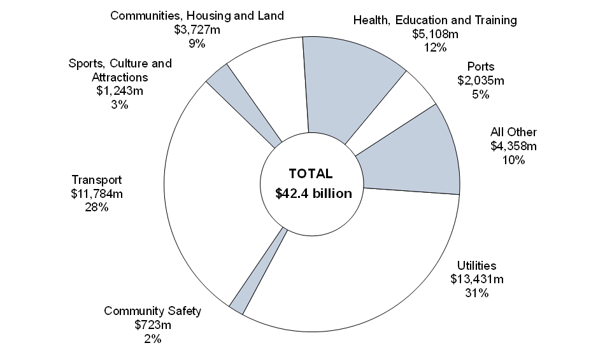

Note: Segments may not add due to rounding.

Chart Data | 2024-25 to 2027-28 | Proportion (%)
Utilities | 13,431 | 32
Transport | 11,784 | 28
Health, Education and Training | 5,108 | 12
All Other | 4,358 | 10
Communities, Housing and Land | 3,727 | 9
Ports | 2,035 | 5
Sports, Culture and Attractions | 1,243 | 3
Community Safety | 723 | 2

